Layout
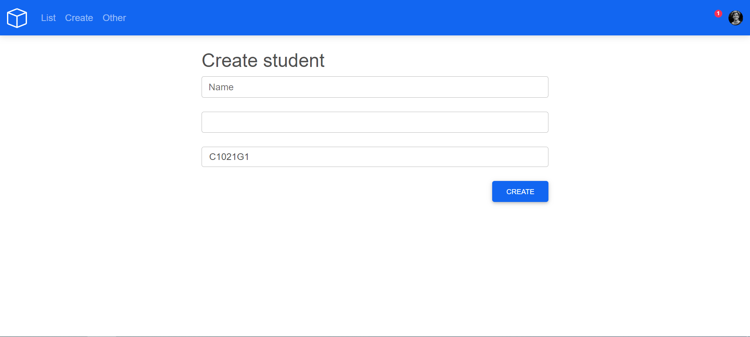
1.2.3.3 Màn hình danh sách nhân viên

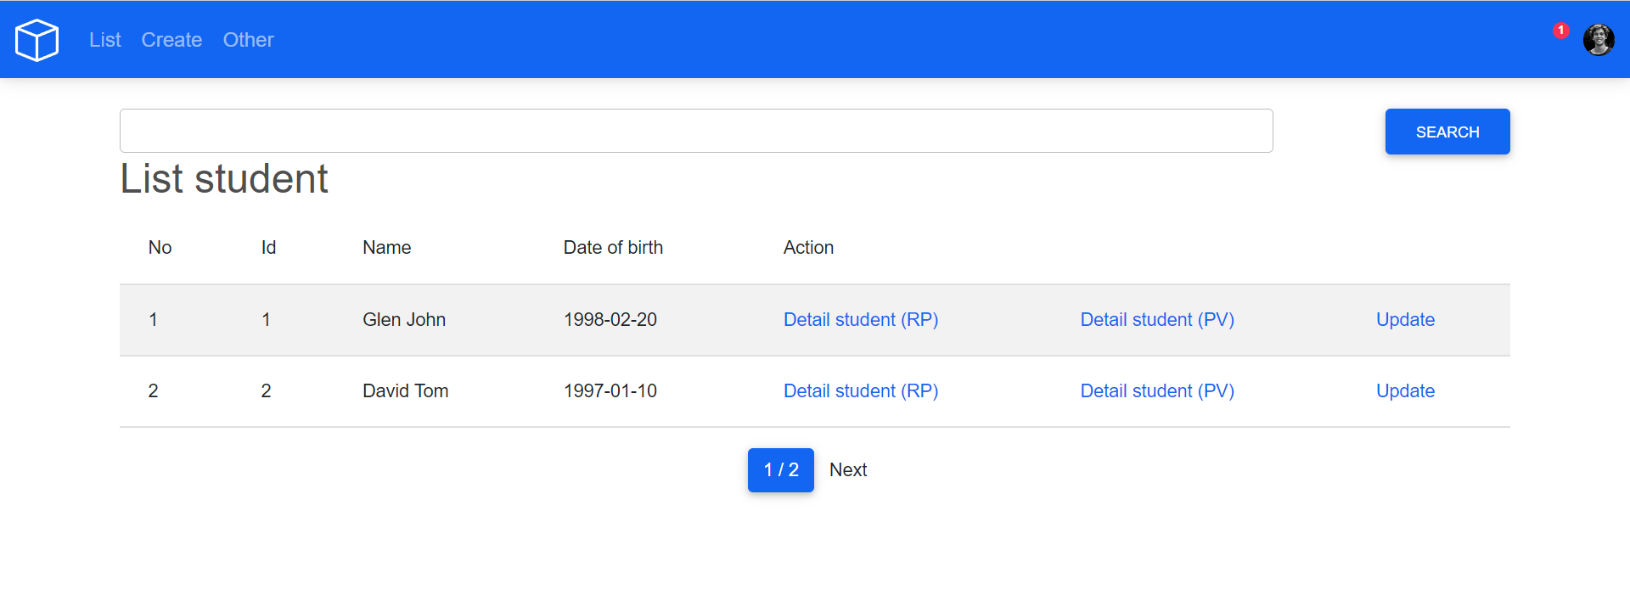

1.2.3.4 Màn hình thêm mới học viên

